Instructions
TITLE |  | FORENSIC ACCOUNTING
 |  | Chapter 4
DATA PIVOTCHART |  | The Data worksheet contains sales, employee, and product usage information for a four-month period. You will begin by creating formulas to estimate the amount of each product that should have been used each day. You will then calculate a variance between the estimated and actual product used. Finally, you will create a PivotChart on the PivotChart worksheet to analyze the data.
STEPS | 1 | Read all of the steps before working with this workbook.
 | 2 | Click the Data worksheet tab to view the sales, employee, and product usage data.
 | 3 | Key your name in cell C2.
 | 4 | Examine the following table that presents the expected usage of each product for each menu item.

 |  | To estimate the amount of each product that should have been used:
 | 5 | Enter the following formula in cell N5 of the Data worksheet. The formula estimates the amount of yogurt that should have been used. Note that the formula uses the amount of yogurt used for each menu item as presented in the table shown above.
 |  | +B5*6+C5*12+D5*5+E5*10+F5*15+G5*20
 | 6 | Create similar formulas for the remaining three products, entering the formulas in cells O5:Q5. Refer to the amounts in the table above to create each formula.
 | 7 | Copy the formulas in cells N5:Q5 for each day in the data table.
 |  | To calculate the variance between the actual quantity of each product used compared to the quantity that should have been used:
 | 8 | Enter the following formula in cell R5 for yogurt divides the difference in the two amounts by the estimated amount.
 |  | =(J5-N5)/N5
 | 9 | Copy the formula to cells S5:U5 to create the variances for the remaining products.
 | 10 | Copy all the formulas in cells R5:U5 for each day in the table.
 |  | To create a PivotChart:
 | 11 | Click any single cell in the data.
 | 12 | On the Insert tab in the Tables group, select the arrow under PivotTable, and select PivotChart. The Create PivotTable with PivotChart window appears.
 | 13 | Select the Existing Worksheet option.
 | 14 | Navigate to the PivotChart worksheet, click on cell A6, and click OK. Your worksheet should appear similar to the following image.
 |  | 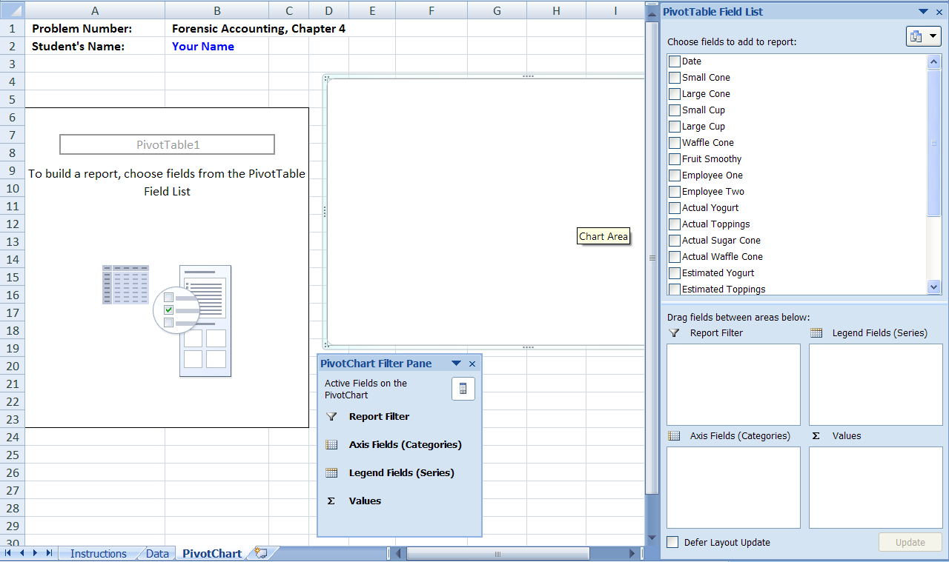
 |  | To answer question 1:
 | 15 | In the PivotTable Field List, click and drag Employee One to the Axis Fields (Categories) box.
 | 16 | Click and drag Employee Two to the Legend Fields (Series) box.
 | 17 | Click and drag Yogurt Variance to the Values box. Your field list should appear as follows.
 |  | 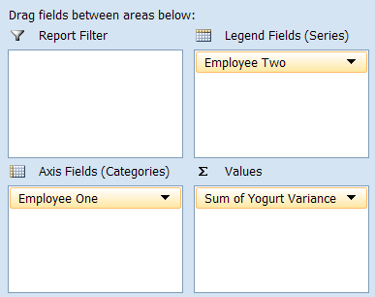
 | 18 | Click on the Sum of Yogurt Variance in the Data box and select Value Field Settings.
 | 19 | Select Average and click OK.
 | 20 | Examine the PivotChart. Each amount represents the average yogurt variance on days when the employee in the horizontal axis worked with the employee listed in the legend. You should have four bars for the first employee, three bars for the second employee, etc., consistent with the values in the PivotTable.
 |  | To answer question 2:
 | 21 | Move Average of Yogurt Variance from the Data box back to the Field List.
 | 22 | Move Toppings Variance from the field list to the Data box.
 | 23 | Click on the Sum of Toppings Variance in the Data box, select Value Field Settings, select Average, and click OK.
 | 24 | Use the revised PivotChart to answer question 2, then repeat the procedure for the remaining products.
 | 25 | Print the PivotChart worksheet solution, as instructed by your teacher.
 | 26 | Save your work.

